Introduction
...
Objective: | To assess tradeoffs between prevention and surgical strategies for ARF/RHD
Design: | Cost-utility analysis from the healthcare system perspective
Model: | Time-dependent Markov process
Time horizon: | Lifetime for both costs and outcomes (though program costs may have a shorter horizon)
Interventions: | Scale-up of coverage rates for primary prevention (PP), secondary prevention (SP), and heart valvue surgery (VS)
 | Note: if more than one type of program is being considered (e.g., building a surgical center vs. increasing international referrals for VS; active vs. passive case-finding for SP),
 | the model can be run more than once with different assumptions on coverage rates and program costs for any given scenario.
Inputs: | See "Model inputs," "Other parameters," and "Program costs" tabs for relevant inputs. Defaults are provided. Data sources include prior literature, REMEDY registry data, and local expert opinion and cost data

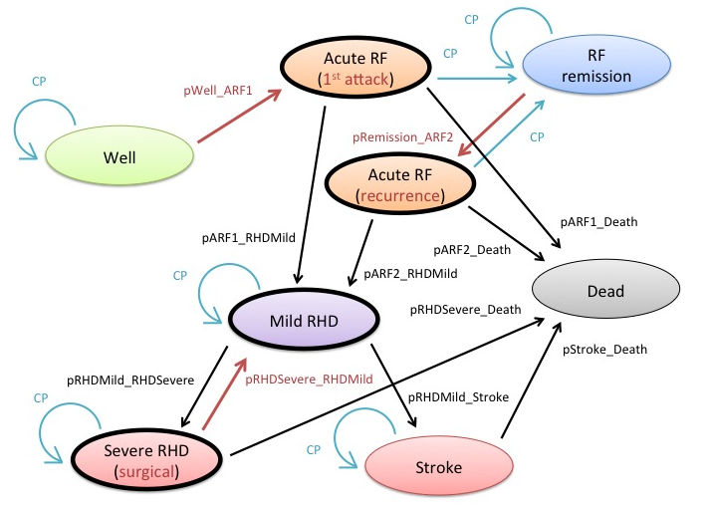
 |  | The Markov model on the left is replicated in three different scenarios:

 |  | Scenario
 |  | 1 | Scale up coverage of primary prevention
 |  | 2 | Scale up coverage of secondary prevention
 |  | 3 | Scale up coverage of heart valve surgery*

 |  | * for a given country, the costs and outcome inputs for surgery should be a weighted average of all common surgical procedures for RHD (e.g., mitral repair, replacement, etc.)

 |  | The interventions affect the Markov trace (ante vs post intervention) in each scenario in the following manner:

 |  | Primary prevention reduces the probability of transitioning from Well to ARF - primary
 |  | Secondary prevention reduces the probabilities of transitioning from ARF - remission to ARF - recurrence
 |  | Valve surgery increases the probability of transitioning from Severe HF to RHD (i.e., increased "remission" rate, consistent with GBD models)

 |  | For each scenario, the final costs and outcomes will be a weighted average of medical and surgical intervention coverage, e.g.:

 |  | In Scenario 3, we could scale up access to valve surgery from 10% to 90%, and
 |  | "current practice" coverage of primary and secondary prevention would remain constant; hence:

 |  | Valve surgery TP "ante" = 90% * (remission rate without surgery) + 10% * (remission rate with surgery)
 |  | Valve surgery TP "post" = 10% * (remission rate without surgery) + 90% * (remission rate with surgery)

PSA
...
Cost Effectiveness Acceptability Curve
 | Primary | Secondary | Surgery
0 | 0.8715 | 0.1285 | 0
10 | 0.868 | 0.132 | 0
25 | 0.8635 | 0.1365 | 0
50 | 0.8565 | 0.1435 | 0
100 | 0.8385 | 0.1615 | 0
250 | 0.798 | 0.202 | 0
500 | 0.686 | 0.314 | 0
1000 | 0.4735 | 0.5265 | 0
1500 | 0.306 | 0.694 | 0
2000 | 0.2075 | 0.7925 | 0
2500 | 0.1555 | 0.8445 | 0
3000 | 0.1165 | 0.8835 | 0
3500 | 0.0945 | 0.9055 | 0
4000 | 0.0745 | 0.9255 | 0
4500 | 0.0665 | 0.9335 | 0
5000 | 0.059 | 0.941 | 0
5500 | 0.056 | 0.944 | 0
6000 | 0.0535 | 0.9465 | 0
6500 | 0.0495 | 0.9505 | 0
7000 | 0.046 | 0.954 | 0
7500 | 0.0415 | 0.9585 | 0
8000 | 0.0375 | 0.9625 | 0
8500 | 0.037 | 0.963 | 0
9000 | 0.0345 | 0.9655 | 0
9500 | 0.0345 | 0.9655 | 0
10000 | 0.0325 | 0.9675 | 0
11000 | 0.031 | 0.969 | 0
12000 | 0.0285 | 0.9715 | 0
13000 | 0.027 | 0.973 | 0
14000 | 0.027 | 0.973 | 0
15000 | 0.0265 | 0.9735 | 0
16000 | 0.0255 | 0.9745 | 0
17000 | 0.025 | 0.975 | 0
18000 | 0.024 | 0.976 | 0
19000 | 0.023 | 0.977 | 0
20000 | 0.022 | 0.978 | 0
21000 | 0.0215 | 0.9785 | 0
22000 | 0.0215 | 0.9785 | 0
23000 | 0.0185 | 0.979 | 0.0025
24000 | 0.0075 | 0.9775 | 0.015
25000 | 0.0035 | 0.976 | 0.0205
30000 | 0 | 0.9565 | 0.0435
35000 | 0 | 0.936 | 0.064
40000 | 0 | 0.9165 | 0.0835
45000 | 0 | 0.892 | 0.108
50000 | 0 | 0.875 | 0.125
...
 | Cost Effectiveness Acceptability Curves
 | Probability intervention is cost-effective
...
Probability intervention is cost-effective
Primary | Secondary | Surgery
0.8715 | 0.1285 | 0
0.868 | 0.132 | 0
0.8635 | 0.1365 | 0
0.8565 | 0.1435 | 0
0.8385 | 0.1615 | 0
0.798 | 0.202 | 0
0.686 | 0.314 | 0
0.4735 | 0.5265 | 0
0.306 | 0.694 | 0
0.2075 | 0.7925 | 0
0.1555 | 0.8445 | 0
0.1165 | 0.8835 | 0
0.0945 | 0.9055 | 0
0.0745 | 0.9255 | 0
0.0665 | 0.9335 | 0
0.059 | 0.941 | 0
0.056 | 0.944 | 0
0.0535 | 0.9465 | 0
0.0495 | 0.9505 | 0
0.046 | 0.954 | 0
0.0415 | 0.9585 | 0
0.0375 | 0.9625 | 0
0.037 | 0.963 | 0
0.0345 | 0.9655 | 0
...

USA
...
Tornado Diagram Scenario 1
 | Scen 1 - low | Scen 1 - high
Tornado Diagram for Scenario 2
 | Scen 2 - low | Scen 2 - high
Tornado Diagram for Scenario 3
 | Scen 3 - low | Scen 3 - high

